EXAMPLES PER TASK
Trials | Possible tasks
 | 1. Sentence-Picture matching task | 2. Sentence-Picture matching task |  | 3. Truth-judment task | 4. Graded judgment task
 | FORCED CHOICE | WITH INTERROGATION |  | YES-NO DECISION | PERCENTAGE / 1-10
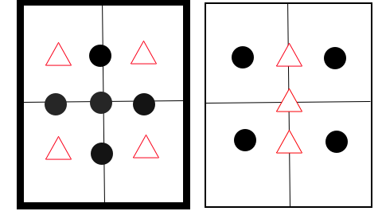 COLLECTIVE PRIME (NON-MAXIMALITY) | Between 3 and 5 triangles form a square.
 | 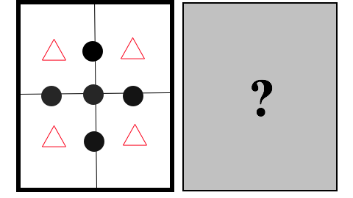 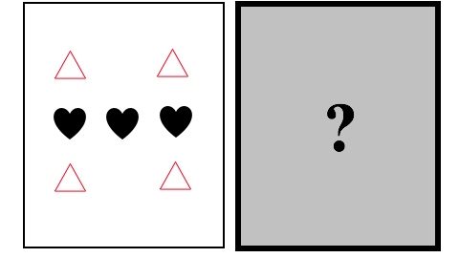 | a | Choosing the salient sentence reading.
TRUE FALSE
YES |_________| NO
 |  |  | Choosing the alternative (and making salient whichever alternative)
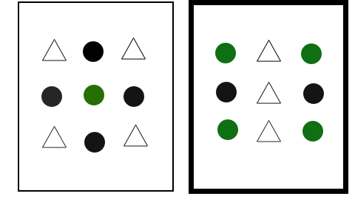 DISTRIBUTIVE PRIME (MAXIMALITY) | Between 3 and 5 dots are green.
 | 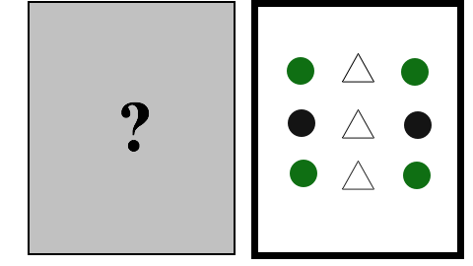 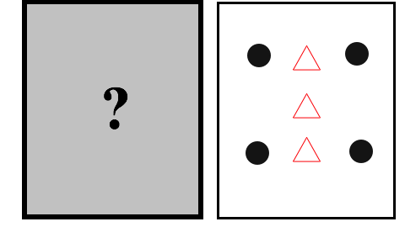 |  | Choosing the salient sentence reading.
TRUE FALSE
YES |_________| NO
 |  |  | Choosing the alternative (and making salient whichever alternative)
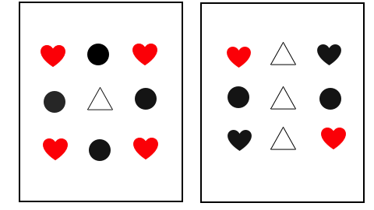 TARGET | Between 1 and 3 hearts are red.
TRUE FALSE
YES |_________| NO
 | 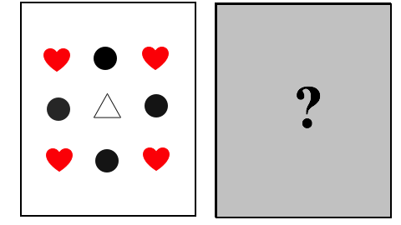
 | The problem here is that target trials should be a free choice (preference), but choosing between maximal or non-maximal readings will potentially always give maximal readings.
BASELINE PRIME | There are three triangles
 | 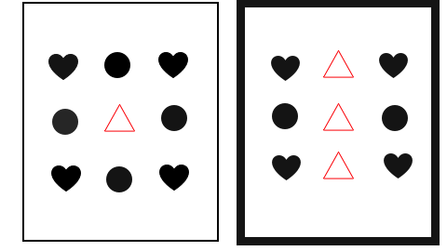

Pre-test
PRE-TEST - GRADED JUDGMENTS
 | Between 5 and 7 dots… |  |  | More than 7 dots.. |  |  | Less than 5/7 dots…
Collective | Maximal reading | Non-Maximal reading | False? | Maximal reading | Non-Maximal reading | False? | Maximal reading | Non-Maximal reading | False?
Distributive | Maximal reading | Non-Maximal reading | False? | Maximal reading | Non-Maximal reading | False? | Maximal reading | Non-Maximal reading | False?
 |  |  |  |  |  |  |  |  | 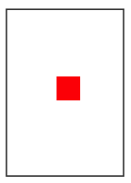

New design
Picture Type |  | Picture type: 1 |  |  | Picture type: 2
Sentence example |  | Between 5 and 7 dots are above the squares/form a circle |  |  | Between 5 and 7 dots are connected to the squares/surround the squares.
Condition |  | TRUE | FALSE | ? | TRUE | FALSE | ?
 |  | Maximal | Non-lower bounded | Non-Maximal | Maximal | Non-lower bounded | Non-Maximal
Examples for Group 1--2 of subjects | STUDY (group of subjects) | 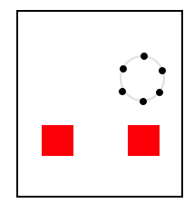 | 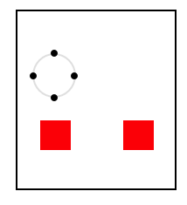 | 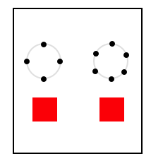 | 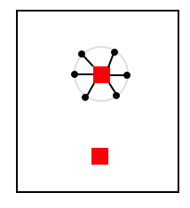 | 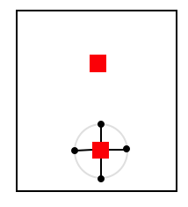 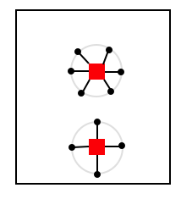
 | 1 | COLLECTIVE | COLLECTIVE | COLLECTIVE |  |  | COLLECTIVE | How accessible are non-maximal readings of collective predicates? | Comes with priming
 | 2 | DISTRIBUTIVE | DISTRIBUTIVE | DISTRIBUTIVE |  |  | DISTRIBUTIVE | How accessible are non-maximal readings of distributive predicates (phantom readings)? | Comes with priming
 | 3 | BASELINE | BASELINE | BASELINE |  |  | DISTRIBUTIVE | Is it possible to prime phantom readings using distributive predicates (contrast with 2)? | We might want to know which part of theExperiment 2 results are due to primining within distributive predicates.
 | 4 | COLLECTIVE | COLLECTIVE | COLLECTIVE |  |  | DISTRIBUTIVE | Is it possible to prime phantom readings using collective predicates? | We have additivity between priming of Non-maximal readings towards non-maximal reading + maximal-readings towards non-maximal readings.
 | 5 | COLLECTIVE | COLLECTIVE | DISTRIBUTIVE |  |  | DISTRIBUTIVE | Is it possible to prime phantom readings using only maximal readings of collective predicates?

 | Group | FALSE | TRUE | NonMax | NonMaxD
 | 1--2 | 1 | 1 | 1 | 2
 | 2--1 | 2 | 2 | 2 | 1

